BUG001
Bug report number | BUG001

Summary | "Reset App State" in Sidebar menu on Invetory page not clickable

Description | Logged in standard user openes the sidebar menu on the top left corner of Inventory page. The last item in the menu: Reset App State is not interactable/clickable.

Steps to reproduce
1 | Open: https://www.saucedemo.com/v1/
2 | Login with valid credentials
3 | Open sidebar menu on the top left corner of Inventory page
4 | Click on "Restore App State"

Expected result | User is directed to: https://www.saucedemo.com/v1/index.html

Actual result | Reset App State is not interactable/clickable.

Priority | Low

severity | low

Repro rate | 100%
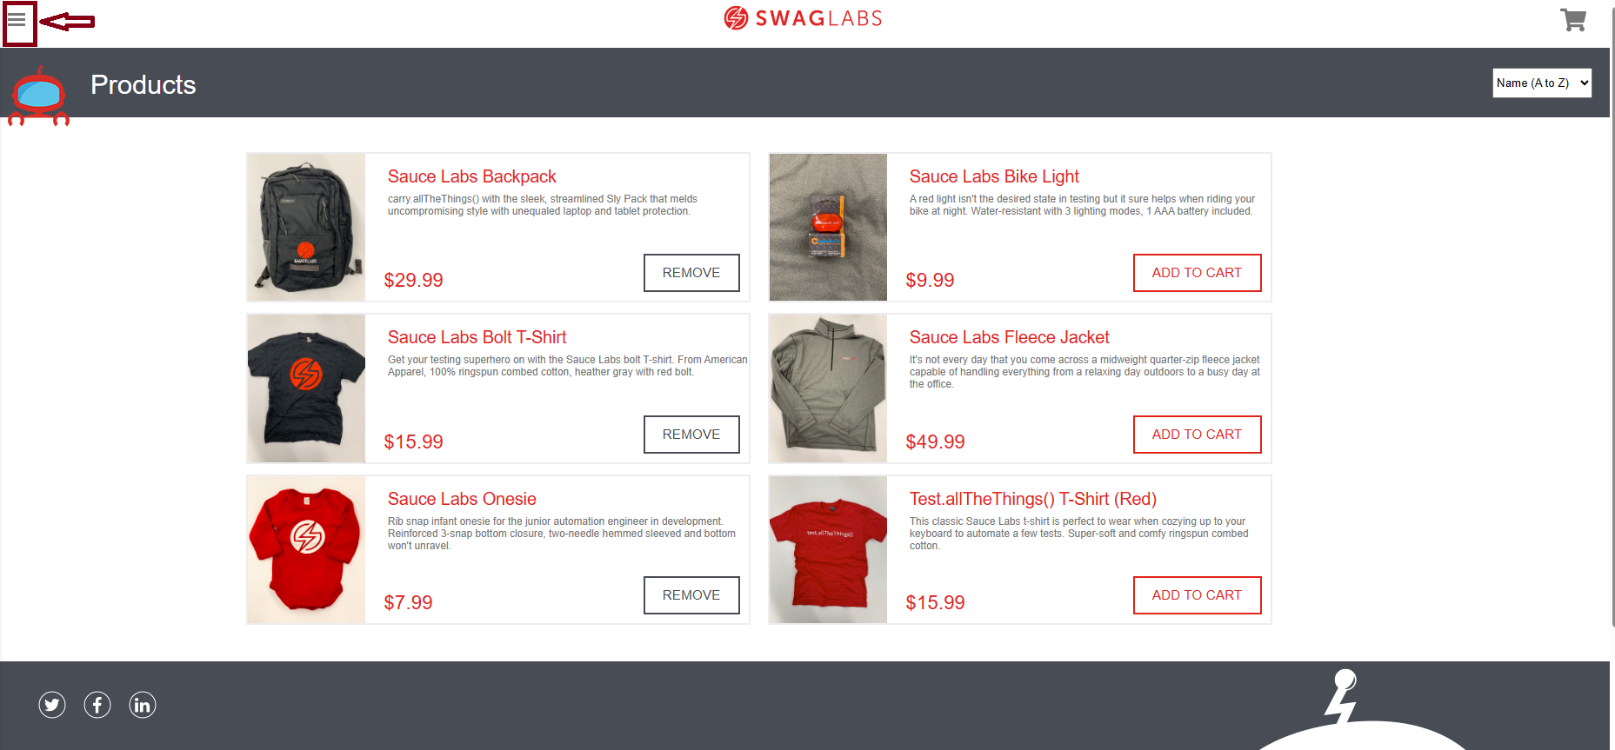
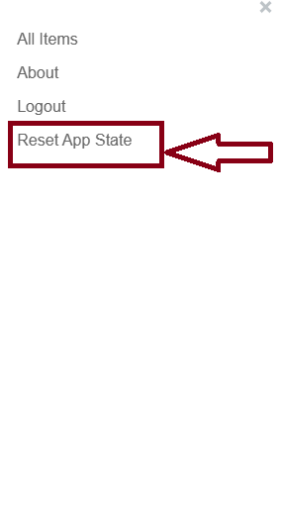
Screenshot

BUG002
Bug report number | BUG002

Summary | Inability to change amount of products in the cart

Description | After a logged in standard user adds product to the cart, and accesses his cart clicking on the cart icon, his product is displayed with a quantity 1 in QTY field. Trying to change number of products manually in QTY field is disabled, and also there are no other options for changing the number of the selected product in the cart.

Steps to reproduce
1 | Open: https://www.saucedemo.com/v1/
2 | Login with valid credentials
3 | Choose product and add it to the cart
4 | Open cart
5 | Try to change the quantity of product in the chart by manually entering 2 in QTY field

Expected result | Value of QTY field is 2

Actual result | Value of QTY field is 1

Priority | High

severity | High

Repro rate | 100%
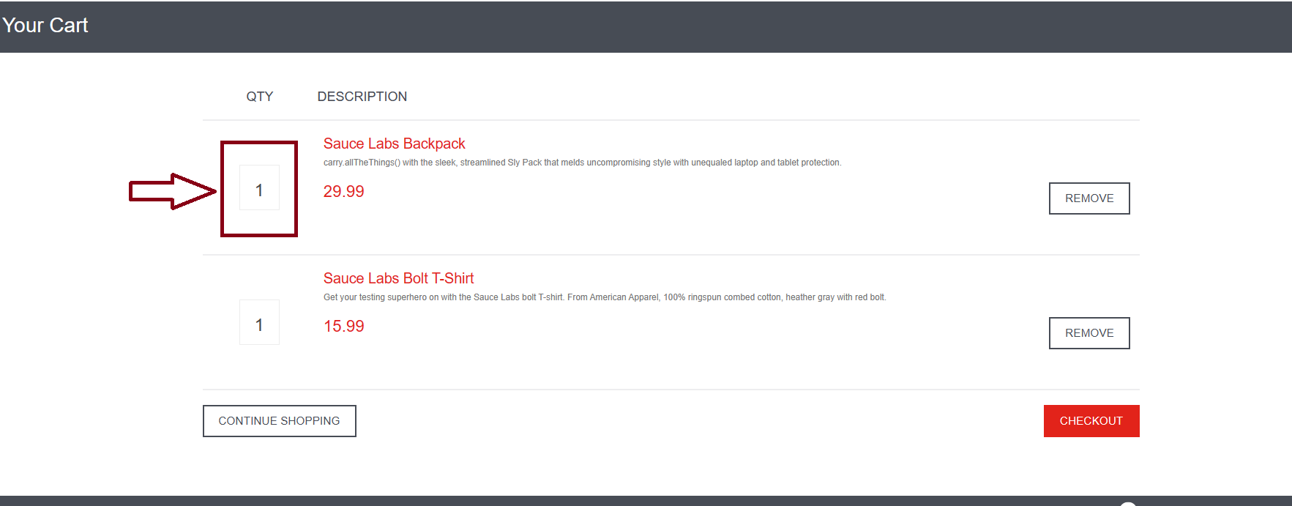
Screenshot

BUG003
Bug report number | BUG003

Summary | Checkout process of the cart is allowed with invalid user data for standard user

Description | After selecting one or more products on Inventory page, logged in standard user can access his cart. By choosing "Checkout" button in the cart user proceeds to checkout-step-one: filling in the form with his personal data: First Name, Last Name and Zip/Postal Code. As long as the fields are not empty, any type of data entered in the fields will be accepted, even the invalid ones. Instead of warning, in a form of error message, user is allowed to proceed to checkout-step-two.

Steps to reproduce
1 | Open: https://www.saucedemo.com/v1/
2 | Login with valid credentials
3 | Choose different products and add them to cart
4 | Open cart
5 | Click on "Checkout" button
6 | Input "222" in First Name field
7 | Input "222" in Last Name field
8 | Input "irena" in Zip/Postal Code field
9 | Click on "Continue" button

Expected result | Error message

Actual result | User is directed to: https://www.saucedemo.com/v1/checkout-step-two.html

Priority | High

severity | HIgh

Repro rate | 100%
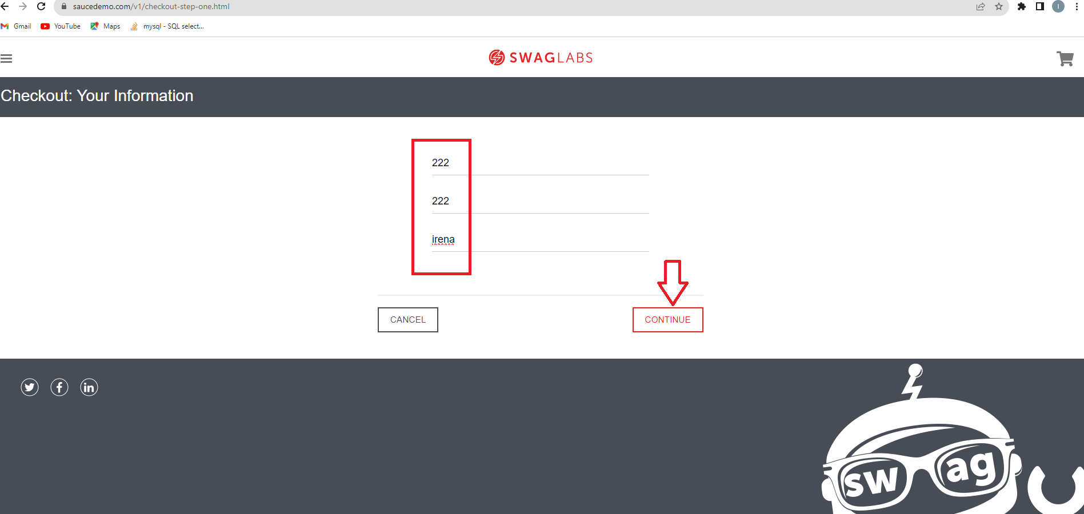
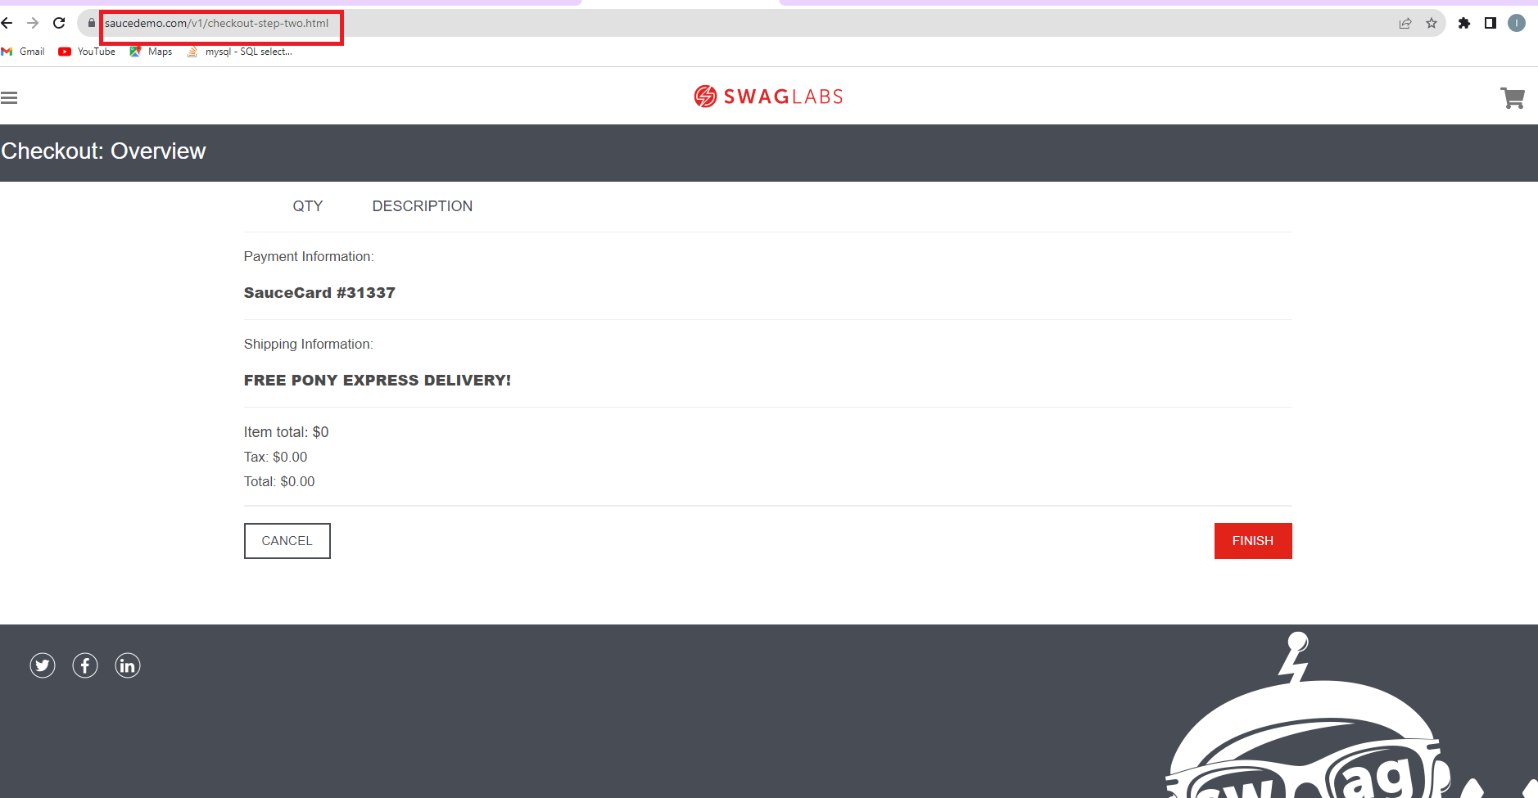
Screenshot

BUG004
Bug report number | BUG004

Summary | Inability to access social media as a standard user

Description | Logged in standard user cannot acces social media by clicking on icons( Twitter icon, Facebook icon and Instagram icon) in the bottom left corner of Inventory page.

Steps to reproduce
1 | Open: https://www.saucedemo.com/v1/
2 | Login with valid credentials
3 | Try to click on "Twitter" icon
4 | Try to click on "Facebook" icon
5 | Try to click on "Instagram" icon

Expected result | Icons are clickable and user is redirected to Twitter/Facebook/Instagram page

Actual result | Icons are not clickable and user is not redirected to Twitter/Facebook/Instagram page

Priority | Medium

severity | Low

Repro rate | 100%
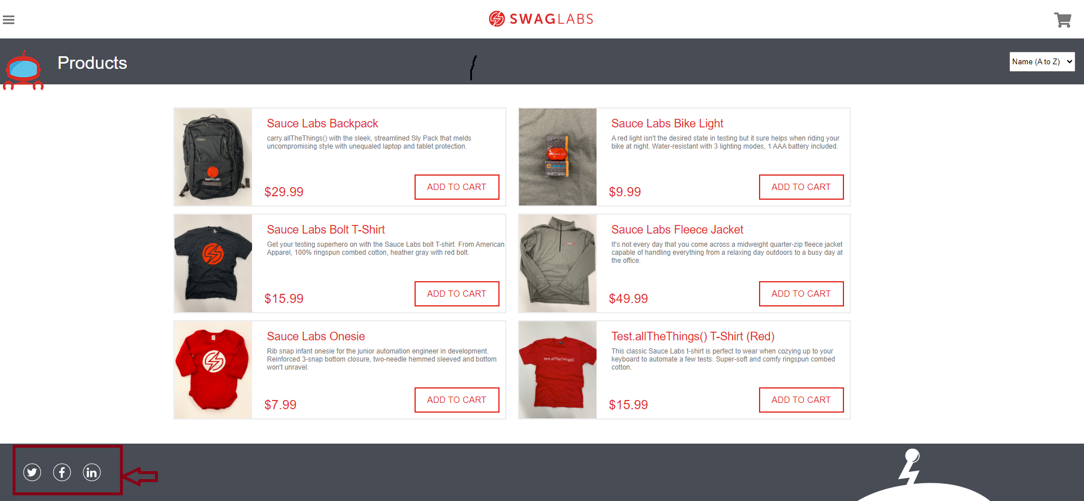
Screenshot

